Sheet1
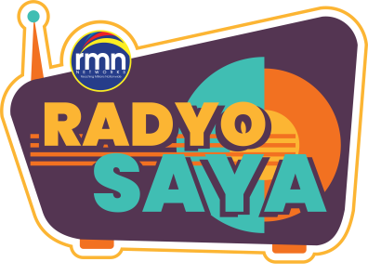
1st Week of Promo Implementation (July 19-23, 2021)
ITEMS | QUANTITY | UNIT PRICE | TOTAL
Cash Prize | 10 | 500.00 | 5,000.00
White T-Shirt | 10 | 90.00 | 900.00
T-Shirt Printing | 10 | 200.00 | 2,000.00
Personalized Face Mask | 50 | 40.00 | 2,000.00
Face Shields | 50 | 10.00 | 500.00
Alcohol 100ml | 20 | 30.00 | 600.00
Wash Clothes | 50 | 12.00 | 600.00
2 packs Tissue | 20 | 30.50 | 610.00
Eco Bag (for packaging) | 10 | 12.00 | 120.00
 |  | TOTAL | 12,330.00

2st Week of Promo Extension (July 26-30, 2021)
Cash Prize | 10 | 500.00 | 5,000.00
White T-Shirt | 10 | 100.00 | 1,000.00
T-Shirt Printing | 10 | 200.00 | 2,000.00
Personalized Face Mask | 50 | 40.00 | 2,000.00
Face Shields | 50 | 10.00 | 500.00
Alcohol 100ml | 20 | 30.00 | 600.00
2 packs Tissue | 20 | 30.50 | 610.00
Wash Clothes (3pcs/bundle) | 17 | 26.00 | 442.00
Eco Bag (for packaging) | 10 | 15.00 | 150.00
 |  | TOTAL | 12,302.00
Gas (c/o Roger Zaragoza) |  |  | 300.00
Miscellaneous |  |  | 68.00
 | GRAND TOTAL |  | 25,000.00

Noted by:

RODERICK B. CEJES
Station Manager
DYIC - iFM 95. 1 Iloilo

